numeric_data_summury_film
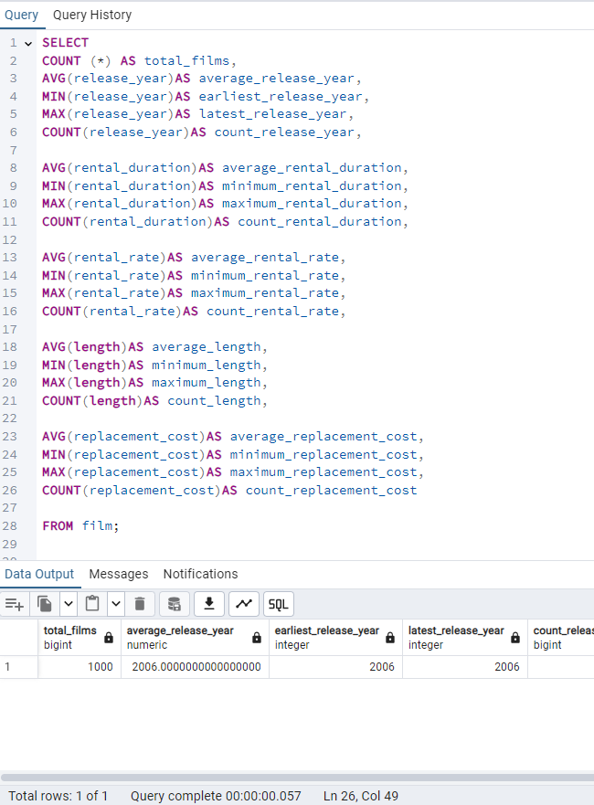
Column1 | Column2 | Column3 | Column4 | Column5
 | AVG | MIN | MAX | COUNT
total_films | average_release_year | earliest_release_year | latest_release_year | count_release_year
1000 | 2006 | 2006 | 2006 | 1000

total_films | average_rental_duration | minimum_rental_duration | maximum_rental_duration | count_rental_duration
1000 | 4.985 | 3 | 7 | 1000

total_films | average_rental_rate | minimum_rental_rate | maximum_rental_rate | count_rental_rate
1000 | 2.98 | 0.99 | 4.99 | 1000

total_films | average_length | minimum_length | maximum_length | count_length
1000 | 115.27 | 46 | 185 | 1000

total_films | average_replacement_cost | minimum_replacement_cost | maximum_replacement_cost | count_replacement_cost
1000 | 19.98 | 9.99 | 29.99 | 1000

non_numeric_data_summury_ film
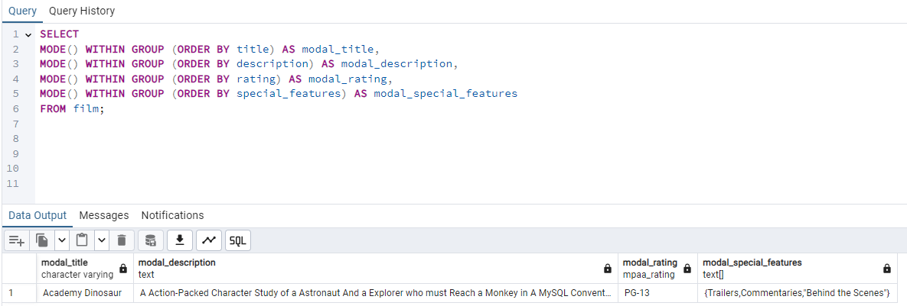
Column1 | Column2 | Column3 | Column4
modal_title | modal_description | modal_rating | modal_special_features
Academy Dinosaur | A Action-Packed Character Study of a Astronaut And a Explorer who must Reach a Monkey in A MySQL Convention | PG-13 | {Trailers,Commentaries,"Behind the Scenes"}

data_summury_customer
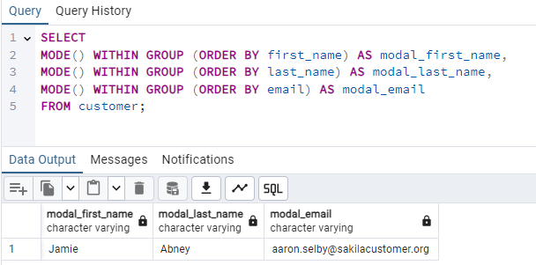
modal_first_name | modal_last_name | modal_email
Jamie | Abney | aaron.selby@sakilacustomer.org

top_10_country_by_customer
Query to find the top 10 countries for Rockbuster in terms of customer number
country | count_customer
India | 60
China | 53
United States | 36
Japan | 31
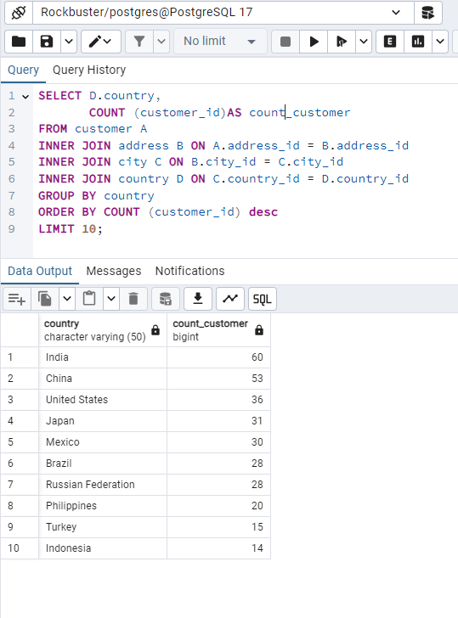
Mexico | 30
Brazil | 28
Russian Federation | 28
Philippines | 20
Turkey | 15
Indonesia | 14

top_10_cities
Query to identify the top 10 cities that fall within the top 10 countries
city | country | count_customer
Aurora | United States | 2
Acua | Mexico | 1
Citrus Heights | United States | 1
Iwaki | Japan | 1
Ambattur | India | 1
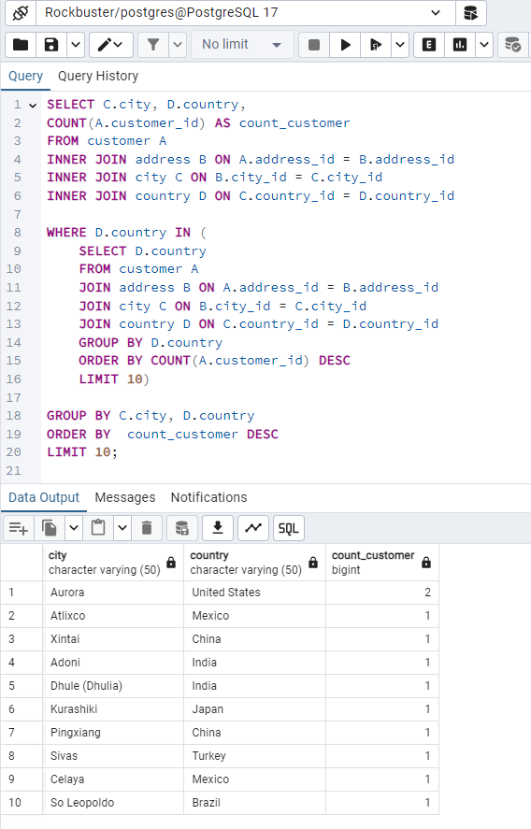
Shanwei | China | 1
So Leopoldo | Brazil | 1
Teboksary | Russian Federation | 1
Tianjin | China | 1
Cianjur | Indonesia | 1

top_5_customers
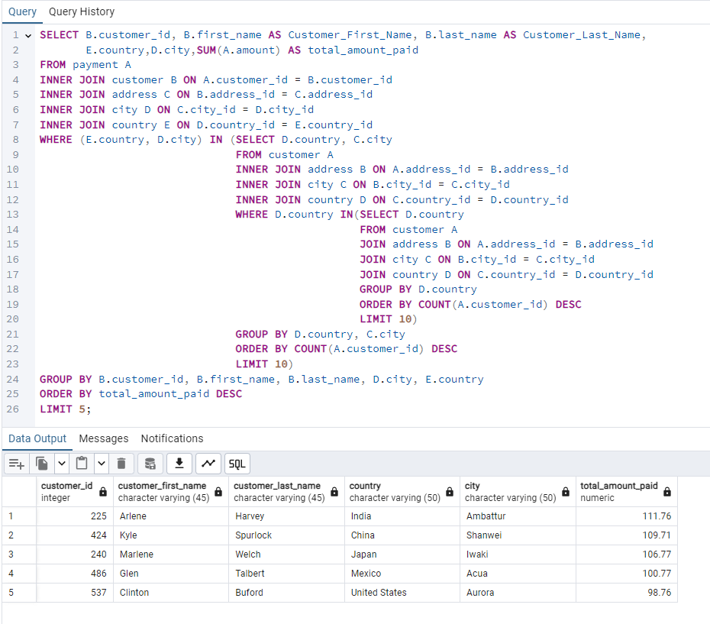
Query to find the top 5 customers from the top 10 cities who’ve paid the highest total amounts to Rockbuster
customer_id | customer_first_name | customer_last_name | country | city | total_amount_paid
225 | Arlene | Harvey | India | Ambattur | 111.76 $
424 | Kyle | Spurlock | China | Shanwei | 109.71 $
240 | Marlene | Welch | Japan | Iwaki | 106.77 $
486 | Glen | Talbert | Mexico | Acua | 100.77 $
537 | Clinton | Buford | United States | Aurora | 98.76 $

customer_count & payment_by_CO
Get customer count and total payment received against each country
country | customer_count | total_payment | % of revenue |  | total revenue
Afghanistan | 1 | 67.82 | 0.11 |  | 61312.04
Algeria | 3 | 349.18 | 0.57
American Samoa | 1 | 47.85 | 0.08
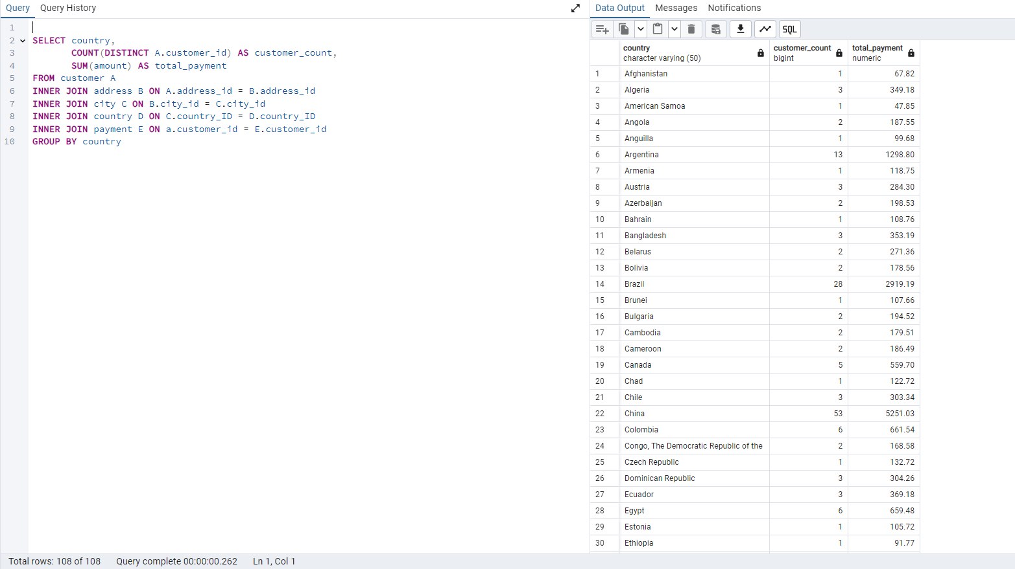
Angola | 2 | 187.55 | 0.31
Anguilla | 1 | 99.68 | 0.16
Argentina | 13 | 1298.80 | 2.12
Armenia | 1 | 118.75 | 0.19
Austria | 3 | 284.30 | 0.46
Azerbaijan | 2 | 198.53 | 0.32
Bahrain | 1 | 108.76 | 0.18
Bangladesh | 3 | 353.19 | 0.58
Belarus | 2 | 271.36 | 0.44
Bolivia | 2 | 178.56 | 0.29
Brazil | 28 | 2919.19 | 4.76
Brunei | 1 | 107.66 | 0.18
Bulgaria | 2 | 194.52 | 0.32
Cambodia | 2 | 179.51 | 0.29
Cameroon | 2 | 186.49 | 0.30
Canada | 5 | 559.70 | 0.91
Chad | 1 | 122.72 | 0.20
Chile | 3 | 303.34 | 0.49
China | 53 | 5251.03 | 8.56 | 51.92
Colombia | 6 | 661.54 | 1.08
Congo, The Democratic Republic of the | 2 | 168.58 | 0.27
Czech Republic | 1 | 132.72 | 0.22
Dominican Republic | 3 | 304.26 | 0.50
Ecuador | 3 | 369.18 | 0.60
Egypt | 6 | 659.48 | 1.08
Estonia | 1 | 105.72 | 0.17
Ethiopia | 1 | 91.77 | 0.15
Faroe Islands | 1 | 96.76 | 0.16
Finland | 1 | 78.79 | 0.13
France | 4 | 334.12 | 0.54
French Guiana | 1 | 97.80 | 0.16
French Polynesia | 2 | 205.52 | 0.34
Gambia | 1 | 114.73 | 0.19
Germany | 7 | 741.24 | 1.21
Greece | 2 | 204.54 | 0.33
Greenland | 1 | 119.72 | 0.20
Holy See (Vatican City State) | 1 | 146.68 | 0.24
Hong Kong | 1 | 104.76 | 0.17
Hungary | 1 | 111.71 | 0.18
India | 60 | 6034.78 | 9.84
Indonesia | 14 | 1352.69 | 2.21
Iran | 8 | 877.96 | 1.43
Iraq | 1 | 111.73 | 0.18
Israel | 4 | 379.13 | 0.62
Italy | 7 | 753.26 | 1.23
Japan | 31 | 3122.51 | 5.09
Kazakstan | 2 | 192.51 | 0.31
Kenya | 2 | 245.49 | 0.40
Kuwait | 1 | 106.75 | 0.17
Latvia | 2 | 249.43 | 0.41
Liechtenstein | 1 | 99.74 | 0.16
Lithuania | 1 | 63.78 | 0.10
Madagascar | 1 | 92.79 | 0.15
Malawi | 1 | 121.73 | 0.20
Malaysia | 3 | 330.23 | 0.54
Mexico | 30 | 2984.82 | 4.87
Moldova | 1 | 127.66 | 0.21
Morocco | 3 | 274.35 | 0.45
Mozambique | 3 | 315.25 | 0.51
Myanmar | 2 | 179.53 | 0.29
Nauru | 1 | 143.70 | 0.23
Nepal | 1 | 93.83 | 0.15
Netherlands | 5 | 557.73 | 0.91
New Zealand | 1 | 85.77 | 0.14
Nigeria | 13 | 1314.92 | 2.14
North Korea | 1 | 107.71 | 0.18
Oman | 2 | 161.56 | 0.26
Pakistan | 5 | 473.84 | 0.77
Paraguay | 3 | 273.40 | 0.45
Peru | 4 | 407.01 | 0.66
Philippines | 20 | 2219.70 | 3.62
Poland | 8 | 786.16 | 1.28
Puerto Rico | 2 | 224.48 | 0.37
Romania | 2 | 218.42 | 0.36
Runion | 1 | 211.55 | 0.35
Russian Federation | 28 | 2765.62 | 4.51
Saint Vincent and the Grenadines | 1 | 64.82 | 0.11
Saudi Arabia | 5 | 452.94 | 0.74
Senegal | 1 | 95.76 | 0.16
Slovakia | 1 | 80.77 | 0.13
South Africa | 11 | 1069.46 | 1.74
South Korea | 5 | 527.77 | 0.86
Spain | 5 | 513.80 | 0.84
Sri Lanka | 1 | 103.73 | 0.17
Sudan | 2 | 202.51 | 0.33
Sweden | 1 | 139.67 | 0.23
Switzerland | 3 | 248.41 | 0.41
Taiwan | 10 | 1155.10 | 1.88
Tanzania | 3 | 322.22 | 0.53
Thailand | 3 | 401.08 | 0.65
Tonga | 1 | 64.84 | 0.11
Tunisia | 1 | 73.78 | 0.12
Turkey | 15 | 1498.49 | 2.44
Turkmenistan | 1 | 126.74 | 0.21
Tuvalu | 1 | 93.78 | 0.15
Ukraine | 6 | 675.53 | 1.10
United Arab Emirates | 3 | 305.25 | 0.50
United Kingdom | 9 | 850.96 | 1.39
United States | 36 | 3685.31 | 6.01
Venezuela | 7 | 632.43 | 1.03
Vietnam | 6 | 676.45 | 1.10
Virgin Islands, U,S, | 1 | 121.69 | 0.20
Yemen | 4 | 473.93 | 0.77
Yugoslavia | 2 | 233.49 | 0.38
Zambia | 1 | 121.70 | 0.20

Performance by category and mov
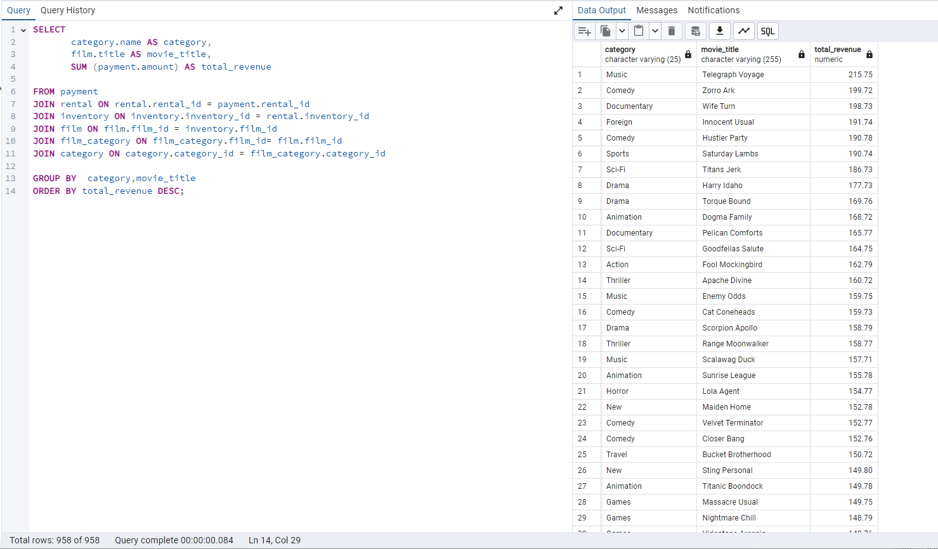
category | movie_title | total_revenue
Music | Telegraph Voyage | 215.75
Comedy | Zorro Ark | 199.72
Documentary | Wife Turn | 198.73
Foreign | Innocent Usual | 191.74
Comedy | Hustler Party | 190.78
Sports | Saturday Lambs | 190.74
Sci-Fi | Titans Jerk | 186.73
Drama | Harry Idaho | 177.73
Drama | Torque Bound | 169.76
Animation | Dogma Family | 168.72
Documentary | Pelican Comforts | 165.77
Sci-Fi | Goodfellas Salute | 164.75
Action | Fool Mockingbird | 162.79
Thriller | Apache Divine | 160.72
Music | Enemy Odds | 159.75
Comedy | Cat Coneheads | 159.73
Drama | Scorpion Apollo | 158.79
Thriller | Range Moonwalker | 158.77
Music | Scalawag Duck | 157.71
Animation | Sunrise League | 155.78
Horror | Lola Agent | 154.77
New | Maiden Home | 152.78
Comedy | Velvet Terminator | 152.77
Comedy | Closer Bang | 152.76
Travel | Bucket Brotherhood | 150.72
New | Sting Personal | 149.80
Animation | Titanic Boondock | 149.78
Games | Massacre Usual | 149.75
Games | Nightmare Chill | 148.79
Games | Videotape Arsenic | 148.76
Action | American Circus | 146.81
Drama | Witches Panic | 146.75
Documentary | Show Lord | 145.78
Action | Minds Truman | 144.81
Travel | Working Microcosmos | 144.78
Sci-Fi | Wonderland Christmas | 142.79
Games | Head Stranger | 142.79
Sci-Fi | Whisperer Giant | 141.80
Animation | Forrester Comancheros | 141.74
Children | Backlash Undefeated | 140.84
Music | Dorado Notting | 140.78
Music | Boogie Amelie | 140.74
Thriller | Secrets Paradise | 139.82
New | Mine Titans | 138.83
Action | Stagecoach Armageddon | 138.77
Drama | Pity Bound | 138.77
Sports | Roses Treasure | 137.77
Horror | Streetcar Intentions | 137.77
Travel | Fellowship Autumn | 137.76
Classics | Steel Santa | 136.78
Music | Confidential Interview | 136.76
Action | Trip Newton | 135.74
Comedy | Flintstones Happiness | 134.83
Sci-Fi | Garden Island | 134.82
New | Eagles Panky | 134.81
Games | Suit Walls | 134.81
New | Flamingos Connecticut | 134.78
New | Attraction Newton | 133.78
Sports | Trading Pinocchio | 133.77
Children | Heartbreakers Bright | 132.80
Action | Easy Gladiator | 132.80
Sports | Durham Panky | 132.76
Games | Moonshine Cabin | 131.80
Action | Drifter Commandments | 131.78
Games | Name Detective | 131.78
Sports | Aladdin Calendar | 131.77
Drama | Lies Treatment | 131.76
Drama | Coneheads Smoochy | 131.76
Documentary | Midsummer Groundhog | 129.82
Games | Details Packer | 128.82
Drama | Queen Luke | 128.79
Sports | Tourist Pelican | 126.81
Foreign | Kiss Glory | 126.79
Travel | Liaisons Sweet | 126.79
Children | Sabrina Midnight | 126.79
Drama | Seattle Expecations | 125.80
Drama | Beauty Grease | 125.79
Thriller | Movie Shakespeare | 125.78
Sports | Gleaming Jawbreaker | 125.72
Sports | Chance Resurrection | 124.76
Foreign | Calendar Gunfight | 123.82
Documentary | Heavyweights Beast | 123.78
Sports | Satisfaction Confidential | 122.84
Horror | Yentl Idaho | 122.79
Travel | Coma Head | 122.77
Classics | Center Dinosaur | 121.79
Horror | Sleeping Suspects | 121.78
Documentary | Princess Giant | 121.77
Horror | Pulp Beverly | 121.74
Games | Dawn Pond | 120.83
Action | Kissing Dolls | 120.83
Drama | Something Duck | 120.82
Foreign | Trap Guys | 119.85
Comedy | Pinocchio Simon | 119.82
Thriller | Rage Games | 119.81
Sci-Fi | Bingo Talented | 119.75
Animation | Doors President | 118.82
Horror | Desert Poseidon | 118.81
Games | Maltese Hope | 118.79
Action | Suspects Quills | 118.73
Horror | Fidelity Devil | 117.82
Comedy | Snatch Slipper | 117.80
Horror | High Encino | 117.79
Action | Waterfront Deliverance | 116.84
Sci-Fi | Metropolis Coma | 116.76
Thriller | Network Peak | 116.73
Documentary | Road Roxanne | 115.83
Drama | Hunchback Impossible | 115.83
Sci-Fi | Beverly Outlaw | 115.79
Horror | Freddy Storm | 115.79
Thriller | Conversation Downhill | 114.83
Documentary | Cause Date | 114.81
Foreign | Whale Bikini | 113.85
Horror | Lady Stage | 113.84
New | Redemption Comforts | 113.80
Comedy | Strictly Scarface | 113.77
Sports | Secretary Rouge | 112.82
Foreign | Agent Truman | 111.81
Games | Candles Grapes | 111.80
New | Money Harold | 111.80
Animation | Mission Zoolander | 110.84
New | Interview Liaisons | 110.82
Classics | Prejudice Oleander | 110.81
New | Ridgemont Submarine | 110.72
Travel | Teen Apollo | 109.86
Travel | Shawshank Bubble | 109.81
Horror | Arachnophobia Rollercoaster | 109.77
Animation | Horn Working | 109.77
New | Butterfly Chocolat | 108.74
Foreign | Command Darling | 107.84
Children | Ghost Groundhog | 107.81
Sports | Philadelphia Wife | 107.80
Children | Scarface Bang | 106.84
Foreign | Brooklyn Desert | 106.81
Animation | Falcon Volume | 106.81
Drama | Spice Sorority | 106.81
Thriller | Virtual Spoilers | 105.87
Classics | Galaxy Sweethearts | 105.84
Classics | League Hellfighters | 105.83
Thriller | Chasing Fight | 105.82
Classics | Requiem Tycoon | 105.82
Music | Driving Polish | 105.81
Sci-Fi | Reign Gentlemen | 105.81
Documentary | Secret Groundhog | 105.81
Action | Clueless Bucket | 105.77
Horror | Strangers Graffiti | 104.86
New | Breakfast Goldfinger | 104.84
Classics | Jerk Paycheck | 104.81
Action | Truman Crazy | 104.80
Foreign | Wash Heavenly | 104.80
Classics | Arizona Bang | 104.79
Sci-Fi | Hanky October | 104.77
Games | Tycoon Gathering | 103.88
Animation | Sleepless Monsoon | 103.83
Classics | Million Ace | 103.83
Sci-Fi | Open African | 103.81
New | Angels Life | 103.80
Documentary | Cupboard Sinners | 103.78
Music | Greatest North | 103.73
New | Birds Perdition | 102.83
Horror | Undefeated Dalmations | 102.81
Action | South Wait | 102.79
Classics | Timberland Sky | 102.74
Games | Forward Temple | 102.74
Sci-Fi | Attacks Hate | 101.84
Drama | Paycheck Wait | 101.84
Comedy | Sweden Shining | 101.83
Travel | Expecations Natural | 101.83
New | Samurai Lion | 101.76
Classics | Tomorrow Hustler | 101.76
Sports | Poseidon Forever | 100.83
Children | Invasion Cyclone | 100.74
Children | Giant Troopers | 100.74
Thriller | Confused Candles | 99.84
Foreign | Stepmom Dream | 99.81
Comedy | Knock Warlock | 99.79
Sci-Fi | English Bulworth | 99.74
Children | Hall Cassidy | 98.84
Documentary | Egg Igby | 98.81
Documentary | Brotherhood Blanket | 98.77
Animation | Thief Pelican | 97.84
Thriller | Jason Trap | 97.77
Foreign | Rocketeer Mother | 97.72
Games | Grit Clockwork | 97.72
Foreign | Shock Cabin | 96.71
Games | Jericho Mulan | 95.84
Animation | Inch Jet | 95.82
New | Salute Apollo | 95.80
Animation | Gangs Pride | 95.78
Classics | Hyde Doctor | 95.76
Thriller | Bilko Anonymous | 94.88
Comedy | Gold River | 94.86
Sports | Mermaid Insects | 94.85
Documentary | French Holiday | 94.84
Children | Gorgeous Bingo | 94.83
Sports | Peak Forever | 94.82
Children | Fargo Gandhi | 94.79
Horror | Patton Interview | 94.79
Sci-Fi | Fish Opus | 94.78
Documentary | Expendable Stallion | 94.74
Games | Spy Mile | 94.73
New | Day Unfaithful | 93.88
Sports | Pickup Driving | 93.85
Animation | Sugar Wonka | 93.85
Children | Bear Graceland | 93.81
Sci-Fi | Camelot Vacation | 93.76
Children | Sweethearts Suspects | 93.73
Drama | West Lion | 92.86
Drama | Hanging Deep | 92.85
Classics | Core Suit | 92.84
Foreign | Jet Neighbors | 92.83
Foreign | Hellfighters Sierra | 92.81
New | Fatal Haunted | 92.77
Sci-Fi | Silverado Goldfinger | 91.88
New | Destiny Saturday | 91.85
Music | Balloon Homeward | 91.78
Sports | Dude Blindness | 90.87
Music | Wizard Coldblooded | 90.85
Games | Ice Crossing | 90.78
Comedy | Pure Runner | 89.85
Sci-Fi | Coldblooded Darling | 89.84
Travel | Igby Maker | 89.83
Sci-Fi | Vacation Boondock | 89.81
Drama | Rocky War | 88.87
Comedy | Memento Zoolander | 88.87
Classics | Candidate Perdition | 88.82
Documentary | Metal Armageddon | 88.79
Animation | Telemark Heartbreakers | 88.76
Children | Idols Snatchers | 88.76
Horror | Behavior Runaway | 87.89
Drama | Bright Encounters | 87.88
New | Flash Wars | 87.88
Sports | Hysterical Grail | 87.85
Action | Darn Forrester | 87.83
Travel | Basic Easy | 87.80
Animation | Oz Liaisons | 87.78
Classics | Color Philadelphia | 87.78
Games | Panky Submarine | 86.88
Horror | Airport Pollock | 86.85
Drama | Virgin Daisy | 86.84
Drama | Slacker Liaisons | 86.84
Sports | Seabiscuit Punk | 86.76
Travel | Muscle Bright | 86.73
Animation | Juggler Hardly | 86.71
Sci-Fi | Daisy Menagerie | 85.86
Sports | Steers Armageddon | 85.85
Children | Robbers Joon | 85.74
Drama | Conquerer Nuts | 84.87
Games | Chicago North | 84.85
Drama | Sea Virgin | 84.81
Foreign | Alien Center | 84.80
Sci-Fi | Barbarella Streetcar | 84.78
Sci-Fi | Married Go | 84.74
Thriller | Pittsburgh Hunchback | 83.89
Sports | Loser Hustler | 83.86
Documentary | Sagebrush Clueless | 83.86
Sci-Fi | Panther Reds | 83.86
Comedy | Dying Maker | 83.85
Action | Forrest Sons | 83.83
Sports | Star Operation | 83.80
Horror | Affair Prejudice | 83.79
Animation | Oscar Gold | 83.75
Foreign | Holiday Games | 82.85
Classics | Musketeers Wait | 82.85
Comedy | Airplane Sierra | 82.85
Travel | Casablanca Super | 82.84
Comedy | Hurricane Affair | 82.77
Drama | Paths Control | 81.90
Music | Hanover Galaxy | 81.86
Action | Campus Remember | 81.83
Thriller | Rush Goodfellas | 81.72
Sports | Peach Innocent | 80.86
New | Dragonfly Strangers | 80.86
Games | Human Graffiti | 80.85
Drama | Orient Closer | 80.83
Music | Vanishing Rocky | 80.83
Drama | Wardrobe Phantom | 80.77
Comedy | Operation Operation | 80.75
Drama | Edge Kissing | 79.87
Children | Betrayed Rear | 79.87
Animation | Bikini Borrowers | 79.86
Animation | Carol Texas | 79.83
Comedy | Paradise Sabrina | 79.82
Children | Strangelove Desire | 79.78
Sci-Fi | None Spiking | 79.75
Thriller | Super Wyoming | 78.88
Comedy | Submarine Bed | 78.87
Horror | Rules Human | 78.87
Comedy | Groundhog Uncut | 78.86
Action | Devil Desire | 78.86
New | Jekyll Frogmen | 78.84
Animation | Intentions Empire | 78.83
Children | Murder Antitrust | 78.79
Animation | Blackout Private | 78.77
Music | Deer Virginian | 78.76
Animation | Tracy Cider | 78.76
Travel | Contact Anonymous | 78.76
Sci-Fi | Raging Airplane | 77.88
Classics | Creepers Kane | 77.87
Documentary | Quills Bull | 77.87
Sports | Northwest Polish | 77.82
Animation | Flying Hook | 77.81
Animation | Harper Dying | 77.80
Action | Quest Mussolini | 77.80
Animation | Clash Freddy | 77.77
Sci-Fi | Disturbing Scarface | 77.77
Travel | Horror Reign | 77.75
Foreign | Lose Inch | 77.74
Sports | Tuxedo Mile | 76.87
Children | Model Fish | 76.87
Sports | Image Princess | 76.86
Animation | Lawless Vision | 76.86
Games | Wanda Chamber | 76.86
Games | Grinch Massage | 76.86
Thriller | Baked Cleopatra | 76.85
New | Sleepy Japanese | 76.83
Documentary | National Story | 76.83
New | Unbreakable Karate | 76.81
Sports | Shakespeare Saddle | 76.80
Sci-Fi | Badman Dawn | 76.79
Classics | Island Exorcist | 76.77
Games | Moonwalker Fool | 75.89
Sci-Fi | Connecticut Tramp | 75.89
Documentary | Deep Crusade | 75.87
Comedy | Searchers Wait | 75.86
Sports | Holes Brannigan | 75.86
Animation | Sons Interview | 75.85
Sci-Fi | Trojan Tomorrow | 75.82
Thriller | Blues Instinct | 75.82
Thriller | Atlantis Cause | 75.79
Classics | Malkovich Pet | 75.77
Games | Autumn Crow | 74.90
Music | Birch Antitrust | 74.89
Foreign | Impossible Prejudice | 74.86
Action | Lust Lock | 74.82
Sports | Flatliners Killer | 74.81
Animation | Crossroads Casualties | 74.80
Travel | Escape Metropolis | 74.77
Classics | Frost Head | 74.72
Documentary | Thin Sagebrush | 73.89
Sports | California Birds | 73.89
New | Pluto Oleander | 73.87
Music | Words Hunter | 73.86
Travel | Outlaw Hanky | 73.86
Animation | Wait Cider | 73.82
Games | Fantasia Park | 73.81
Action | Dream Pickup | 73.80
Thriller | Half Outfield | 73.79
Action | Darko Dorado | 72.90
Classics | Hope Tootsie | 72.83
Action | Berets Agent | 72.80
Comedy | Downhill Enough | 72.79
Sci-Fi | Cincinatti Whisperer | 71.89
Horror | Alabama Devil | 71.88
Sci-Fi | Blindness Gun | 71.87
Drama | Jacket Frisco | 71.84
Sci-Fi | Weekend Personal | 71.83
Documentary | Wedding Apollo | 71.79
Comedy | Saturn Name | 70.87
Classics | Jeepers Wedding | 70.87
Drama | Confessions Maguire | 70.87
Comedy | Ferris Mother | 70.85
Thriller | Remember Diary | 70.83
Travel | Trouble Date | 70.81
Travel | Others Soup | 70.80
Foreign | Gentlemen Stage | 70.80
New | Amistad Midsummer | 70.79
Comedy | Mallrats United | 70.78
Children | Daughter Madigan | 69.91
Children | Ties Hunger | 69.91
Classics | Beast Hunchback | 69.90
New | Vampire Whale | 69.89
Travel | Comforts Rush | 69.85
Sports | Instinct Airport | 69.83
Sports | Flight Lies | 68.88
Action | Werewolf Lola | 68.88
New | Idaho Love | 68.85
Sci-Fi | Eyes Driving | 68.84
Comedy | Bringing Hysterical | 68.81
Drama | Hobbit Alien | 68.74
Music | Amelie Hellfighters | 67.90
Sports | Liberty Magnificent | 67.89
Thriller | Dinosaur Secretary | 67.81
Drama | Goldfinger Sensibility | 67.79
Children | Jumping Wrath | 67.79
Sci-Fi | Graffiti Love | 67.74
Action | Rugrats Shakespeare | 67.72
Sports | Caribbean Liberty | 66.92
Children | Twisted Pirates | 66.89
Foreign | Dangerous Uptown | 66.88
Music | Home Pity | 66.88
Foreign | Past Suicides | 66.88
Sci-Fi | Charade Duffel | 66.87
Travel | Boiled Dares | 66.87
Children | Zoolander Fiction | 66.85
Action | Worst Banger | 66.85
Horror | Egypt Tenenbaums | 66.84
Animation | Wonka Sea | 66.82
Foreign | Pollock Deliverance | 66.82
Children | Stranger Strangers | 65.90
Foreign | War Notting | 65.88
Foreign | Usual Untouchables | 65.88
Music | Chamber Italian | 65.88
Comedy | Lonely Elephant | 65.87
Sci-Fi | Chariots Conspiracy | 65.81
Thriller | House Dynamite | 65.80
Animation | Snowman Rollercoaster | 65.79
Foreign | Madness Attacks | 65.77
Horror | Elephant Trojan | 64.90
Sci-Fi | Fiddler Lost | 64.90
Sports | Gunfighter Mussolini | 64.89
Documentary | Madison Trap | 64.87
Games | Divine Resurrection | 64.85
Horror | Swarm Gold | 64.77
Comedy | Daddy Pittsburgh | 63.89
Comedy | Anthem Luke | 63.89
Sports | Mother Oleander | 63.87
Documentary | Bill Others | 63.82
Animation | Champion Flatliners | 62.90
Travel | Games Bowfinger | 62.88
Classics | Lovely Jingle | 62.87
Animation | Potter Connecticut | 62.85
Sports | Driver Annie | 62.84
Horror | Gaslight Crusade | 62.84
Horror | Reap Unfaithful | 62.84
Sports | Neighbors Charade | 62.83
Drama | Lebowski Soldiers | 62.82
Children | Wrong Behavior | 62.80
Classics | Detective Vision | 62.76
Classics | Loathing Legally | 62.74
Action | Casualties Encino | 61.92
New | Wyoming Storm | 61.89
Music | Alone Trip | 61.83
Music | Insider Arizona | 61.83
Animation | Pond Seattle | 61.82
Action | Excitement Eve | 61.80
Sci-Fi | Divide Monster | 61.80
Foreign | Orange Grapes | 61.78
Thriller | Spartacus Cheaper | 60.91
Foreign | Opus Ice | 60.90
Children | Noon Papi | 60.85
Thriller | Earring Instinct | 60.83
Horror | Sinners Atlantis | 60.81
Classics | Dynamite Tarzan | 60.77
Horror | Family Sweet | 60.73
Thriller | King Evolution | 59.92
Classics | Jingle Sagebrush | 59.89
Travel | Born Spinal | 59.88
Comedy | Jaws Harry | 59.87
Sports | Artist Coldblooded | 59.86
Sci-Fi | Nemo Campus | 59.86
Thriller | Manchurian Curtain | 59.86
Sports | Honey Ties | 59.84
Music | Clones Pinocchio | 59.83
Action | Barefoot Manchurian | 59.83
Thriller | Homicide Peach | 59.82
Travel | Smile Earring | 58.90
Travel | Sweet Brotherhood | 58.89
Animation | Nash Chocolat | 58.87
Children | Fury Murder | 58.83
Comedy | Doom Dancing | 58.83
Documentary | Chicken Hellfighters | 58.81
Foreign | Fiction Christmas | 58.81
Animation | Packer Madigan | 58.80
Action | Hills Neighbors | 58.79
Horror | Temple Attraction | 57.90
Games | Lambs Cincinatti | 57.90
Classics | October Submarine | 57.90
Sports | Sierra Divide | 57.85
Comedy | Fireball Philadelphia | 57.81
New | Brannigan Sunrise | 56.91
Comedy | Element Freddy | 56.90
Travel | Fugitive Maguire | 56.89
Thriller | Opposite Necklace | 56.89
Animation | Massage Image | 56.89
Horror | Bowfinger Gables | 56.89
Foreign | Meet Chocolate | 56.89
Animation | Turn Star | 56.88
Sci-Fi | Identity Lover | 56.88
Games | Creatures Shakespeare | 56.84
New | Boulevard Mob | 56.84
Documentary | Cider Desire | 56.83
Sports | River Outlaw | 56.82
Animation | Double Wrath | 56.79
Foreign | Grapes Fury | 56.77
Games | State Wasteland | 55.89
Documentary | Beach Heartbreakers | 55.86
Horror | Analyze Hoosiers | 55.86
Sports | Mummy Creatures | 55.85
Foreign | Greek Everyone | 55.83
Sports | Straight Hours | 55.81
Classics | Magnificent Chitty | 54.92
Classics | Lover Truman | 54.91
Games | Monsoon Cause | 54.91
Horror | Ali Forever | 54.91
Drama | Racer Egg | 54.83
Music | Outfield Massacre | 54.82
Drama | Dalmations Sweden | 54.82
Sports | Tights Dawn | 54.76
Travel | Bird Independence | 53.91
Sci-Fi | Frisco Forrest | 53.91
New | Nuts Ties | 53.91
Children | Circus Youth | 53.86
Sports | Jade Bunch | 53.85
Comedy | Perfect Groove | 53.84
Animation | Fight Jawbreaker | 53.80
Action | Mockingbird Hollywood | 53.78
Horror | Ace Goldfinger | 52.93
Sci-Fi | Guys Falcon | 52.92
Foreign | Doubtfire Labyrinth | 52.91
Games | Vanilla Day | 52.91
Classics | Right Cranes | 52.90
Thriller | Sensibility Rear | 52.90
Foreign | Purple Movie | 52.88
Travel | Shane Darkness | 52.87
Thriller | Willow Tracy | 52.85
Action | Patriot Roman | 52.85
Classics | Gilmore Boiled | 52.76
Horror | Panic Club | 51.93
Documentary | North Tequila | 51.91
Thriller | Pilot Hoosiers | 51.86
Games | Rouge Squad | 51.84
Travel | Enough Raging | 51.84
Travel | Moulin Wake | 51.84
Animation | Anaconda Confessions | 51.82
Horror | Karate Moon | 51.80
Classics | Iron Moon | 50.90
Thriller | Chisum Behavior | 50.90
Foreign | Lost Bird | 50.90
Travel | Window Side | 50.89
Drama | Reunion Witches | 50.82
Sci-Fi | Annie Identity | 50.81
Sci-Fi | Sun Confessions | 50.77
Action | Handicap Boondock | 50.76
Classics | Bound Cheaper | 50.76
Sports | Exorcist Sting | 49.88
Comedy | Valley Packer | 49.88
New | Mask Peach | 49.86
Comedy | Heaven Freedom | 49.85
Sports | Novocaine Flight | 49.82
Thriller | Chocolat Harry | 49.81
Documentary | Dancing Fever | 49.76
Action | Park Citizen | 48.94
Action | Gosford Donnie | 48.92
Travel | Madigan Dorado | 48.92
Documentary | Mod Secretary | 48.91
Sports | Rider Caddyshack | 48.89
Music | Monster Spartacus | 48.86
New | Varsity Trip | 48.84
Travel | Kick Savannah | 48.83
Horror | Rock Instinct | 48.83
Games | Sleuth Orient | 48.81
Thriller | Slums Duck | 48.78
Sports | Sense Greek | 47.93
Music | Reds Pocus | 47.92
Sports | Kramer Chocolate | 47.91
Thriller | African Egg | 47.89
Games | Dirty Ace | 47.87
Games | Madre Gables | 47.87
Travel | Worker Tarzan | 47.86
Thriller | Gables Metropolis | 47.83
Games | Haunting Pianist | 47.80
Documentary | Virginian Pluto | 47.75
Foreign | Wonderful Drop | 46.92
Music | Grosse Wonderful | 46.92
Comedy | Trainspotting Strangers | 46.91
Comedy | Stage World | 46.90
Foreign | Alley Evolution | 46.87
Action | Shrunk Divine | 46.87
Foreign | Town Ark | 46.87
Action | Caddyshack Jedi | 46.86
New | Troopers Metal | 46.86
Thriller | Indian Love | 46.85
Foreign | Newton Labyrinth | 46.84
Comedy | Gunfight Moon | 46.79
Documentary | Clerks Angels | 45.94
Children | Casper Dragonfly | 45.93
Thriller | Lolita World | 45.91
Foreign | Bugsy Song | 45.91
Drama | Darkness War | 45.88
Action | Uprising Uptown | 45.87
Sports | Pirates Roxanne | 45.81
Sports | Crusade Honey | 44.93
Travel | Speed Suit | 44.92
Games | Darling Breaking | 44.92
Documentary | Ship Wonderland | 44.86
New | Hours Rage | 44.82
Horror | Anything Savannah | 43.92
Sports | Drop Waterfront | 43.92
Animation | Potluck Mixed | 43.90
Children | Microcosmos Paradise | 43.88
Foreign | Cyclone Family | 43.87
Music | Personal Ladybugs | 43.87
Music | Freaky Pocus | 43.86
Travel | Shanghai Tycoon | 43.86
Documentary | United Pilot | 43.85
Music | Go Purple | 43.83
Documentary | Pacific Amistad | 43.81
Sci-Fi | Goldmine Tycoon | 43.76
Animation | Ishtar Rocketeer | 42.94
New | Run Pacific | 42.91
Documentary | Wars Pluto | 42.90
Foreign | Scissorhands Slums | 42.88
Sci-Fi | Express Lonely | 42.88
Documentary | Modern Dorado | 42.88
Music | Uncut Suicides | 42.87
Action | Entrapment Satisfaction | 42.87
New | Stock Glass | 42.87
Children | Graduate Lord | 42.87
Travel | Lock Rear | 42.86
Drama | Kwai Homeward | 42.80
Classics | Voyage Legally | 42.75
Animation | Storm Happiness | 42.74
Animation | Punk Divorce | 41.93
Foreign | Hoosiers Birdcage | 41.92
Foreign | Hotel Happiness | 41.92
Animation | Miracle Virtual | 41.92
New | Breaking Home | 41.90
Action | Speakeasy Date | 41.89
Comedy | Party Knock | 41.88
Thriller | Date Speed | 41.88
Children | Labyrinth League | 41.87
Sci-Fi | Armageddon Lost | 41.80
Music | Clue Grail | 40.93
Foreign | Baby Hall | 40.93
New | Eve Resurrection | 40.93
New | Platoon Instinct | 40.92
Foreign | Matrix Snowman | 40.92
Horror | Tarzan Videotape | 40.92
Action | Grail Frankenstein | 40.92
Foreign | Frida Slipper | 40.90
Children | Forever Candidate | 40.88
Thriller | Hunting Musketeers | 40.88
Classics | Wasteland Divine | 40.88
Horror | Paris Weekend | 40.88
Sports | Groove Fiction | 40.83
Comedy | Tramp Others | 40.82
Music | Banger Pinocchio | 40.80
Children | Splendor Patton | 40.79
Thriller | Effect Gladiator | 40.79
Documentary | Pocus Pulp | 40.75
Music | Terminator Club | 39.94
Children | Jersey Sassy | 39.94
Documentary | Intolerable Intentions | 39.93
Games | Fire Wolves | 39.93
Children | Legally Secretary | 39.92
Sci-Fi | Hollow Jeopardy | 39.92
Horror | Rollercoaster Bringing | 39.91
Action | Lord Arizona | 39.90
Sci-Fi | Hamlet Wisdom | 39.88
Thriller | Spinal Rocky | 39.87
Children | Cabin Flash | 39.86
Classics | Pajama Jawbreaker | 39.86
Travel | Disciple Mother | 39.82
Sci-Fi | Mourning Purple | 39.81
Travel | Italian African | 38.94
Sports | Records Zorro | 38.93
Classics | Spiking Element | 38.88
Action | Midnight Westward | 38.84
Drama | Encounters Curtain | 38.82
Animation | Club Graffiti | 38.82
Action | Women Dorado | 38.81
Children | Crooked Frogmen | 38.79
New | Pianist Outfield | 38.78
Sports | Graceland Dynamite | 37.94
Comedy | Vertigo Northwest | 37.92
Comedy | Life Twisted | 37.92
New | Godfather Diary | 37.92
Classics | Snatchers Montezuma | 37.91
Thriller | Prix Undefeated | 37.90
Foreign | Shrek License | 37.88
Classics | Roots Remember | 37.86
Sports | Joon Northwest | 37.84
Documentary | Coast Rainbow | 37.82
Music | Alaska Phantom | 37.77
Comedy | Caper Motions | 37.77
Animation | Early Home | 36.94
Sports | Elizabeth Shane | 36.93
Sci-Fi | Soldiers Evolution | 36.93
Travel | Drumline Cyclone | 36.90
Documentary | Army Flintstones | 36.86
Drama | Necklace Outbreak | 36.86
Documentary | Majestic Floats | 36.85
Children | Sundance Invasion | 36.82
Animation | Insects Stone | 36.81
Foreign | Intrigue Worst | 36.81
Drama | Shootist Superfly | 36.77
Classics | Westward Seabiscuit | 36.75
Action | Primary Glass | 36.73
Thriller | President Bang | 35.94
Foreign | School Jacket | 35.94
New | Frontier Cabin | 35.94
Sports | Bubble Grosse | 35.94
Action | Glass Dying | 35.88
Action | Fantasy Troopers | 35.79
Foreign | Moon Bunch | 35.74
Action | Story Side | 35.74
Music | Elf Murder | 34.94
Documentary | Adaptation Holes | 34.89
Action | Magnolia Forrester | 34.89
Animation | Donnie Alley | 34.87
Foreign | Illusion Amelie | 34.87
Music | Taxi Kick | 34.83
Documentary | Independence Hotel | 34.82
New | Earth Vision | 34.77
Horror | Carrie Bunch | 34.77
Games | Curtain Videotape | 34.77
Sports | Talented Homicide | 34.76
Games | Fever Empire | 33.95
Documentary | Wagon Jaws | 33.91
Thriller | Maguire Apache | 33.91
Sports | Cranes Reservoir | 33.91
Thriller | Blanket Beverly | 33.90
Sports | Mile Mulan | 33.89
Thriller | Splash Gump | 33.86
Animation | Watch Tracy | 33.85
Comedy | Lion Uncut | 33.83
Games | Wind Phantom | 33.79
Documentary | Academy Dinosaur | 33.79
Music | Heavenly Gun | 32.94
Children | Tequila Past | 32.94
Games | Bulworth Commandments | 32.93
Music | Lucky Flying | 32.90
Children | Maker Gables | 32.90
Travel | Stone Fire | 32.90
Comedy | Saddle Antitrust | 32.89
Thriller | Robbery Bright | 32.88
Games | Stampede Disturbing | 32.86
Classics | Summer Scarface | 32.86
Games | Volcano Texas | 32.81
Action | Amadeus Holy | 32.80
Comedy | Control Anthem | 31.94
Travel | Haunted Antitrust | 31.94
Documentary | Dozen Lion | 31.94
Travel | Desperate Trainspotting | 31.94
Drama | Destination Jerk | 31.92
Drama | Saints Bride | 31.92
Sci-Fi | Random Go | 31.91
Games | Feathers Metal | 31.91
Documentary | Mighty Luck | 31.90
Music | Song Hedwig | 31.90
Comedy | Hedwig Alter | 31.90
Thriller | Natural Stock | 31.88
Action | Rings Heartbreakers | 31.87
Documentary | Bonnie Holocaust | 31.85
New | Voice Peach | 31.83
Games | Outbreak Divine | 31.82
Sci-Fi | Chainsaw Uptown | 31.81
Sports | Congeniality Quest | 31.81
Thriller | Feud Frogmen | 31.80
Games | Seven Swarm | 30.95
Thriller | Blood Argonauts | 30.93
New | Jumanji Blade | 30.92
Comedy | Mulan Moon | 30.89
Animation | Theory Mermaid | 30.88
Travel | Factory Dragon | 30.85
Sci-Fi | Cheaper Clyde | 30.83
Games | Mars Roman | 30.83
Animation | Alter Victory | 30.80
Games | Gun Bonnie | 30.79
Foreign | Alamo Videotape | 30.78
Documentary | Halloween Nuts | 29.92
Drama | Gone Trouble | 29.92
Comedy | Wisdom Worker | 29.91
Foreign | Reservoir Adaptation | 29.91
Children | Santa Paris | 29.90
Children | Uptown Young | 29.90
Action | Side Ark | 29.88
Games | Roxanne Rebel | 29.83
Drama | Blade Polish | 29.81
Drama | Chill Luck | 29.79
Documentary | Untouchables Sunrise | 28.93
Animation | Luke Mummy | 28.93
Foreign | Cowboy Doom | 28.93
Drama | Chitty Lock | 28.92
Games | Dwarfs Alter | 28.92
Music | Won Dares | 28.91
Classics | Jeopardy Encino | 28.90
Children | Tootsie Pilot | 28.88
Action | Dances None | 28.87
Thriller | Louisiana Harry | 28.84
Action | Celebrity Horn | 28.79
Children | Shepherd Midsummer | 28.77
Foreign | Informer Double | 27.95
Sports | Squad Fish | 27.93
Action | Antitrust Tomatoes | 27.93
Travel | Papi Necklace | 27.93
Sci-Fi | Dolls Rage | 27.92
Drama | Mob Duffel | 27.90
Action | Dragon Squad | 27.89
Music | Minority Kiss | 27.89
New | Cleopatra Devil | 27.85
Action | Rear Trading | 27.85
Animation | Room Roman | 27.82
Animation | Canyon Stock | 27.81
Games | Encino Elf | 27.81
Foreign | Highball Potter | 27.81
Thriller | Grease Youth | 27.80
Games | Private Drop | 26.95
Foreign | Pet Haunting | 26.92
Animation | Dares Pluto | 26.92
Drama | Unfaithful Kill | 26.92
Comedy | Crazy Home | 26.91
Thriller | Finding Anaconda | 26.90
Sports | Evolution Alter | 26.88
Children | Christmas Moonshine | 26.81
Children | Empire Malkovich | 26.81
Drama | Bunch Minds | 25.95
Games | Pizza Jumanji | 25.94
Animation | Desire Alien | 25.92
Horror | Motions Details | 25.87
Drama | Translation Summer | 25.87
Animation | Borrowers Bedazzled | 25.80
Music | Roman Punk | 25.79
Horror | Train Bunch | 24.96
New | Apocalypse Flamingos | 24.95
Documentary | Hunter Alter | 24.95
Travel | Traffic Hobbit | 24.95
Documentary | Bed Highball | 24.94
Drama | Diary Panic | 24.92
Horror | World Leathernecks | 24.92
Music | Oleander Clue | 24.91
Horror | Drums Dynamite | 24.87
Documentary | Notorious Reunion | 24.87
Sports | Slipper Fidelity | 24.86
Music | Masked Bubble | 24.81
Thriller | Resurrection Silverado | 24.81
Drama | Deceiver Betrayed | 24.80
Travel | Wolves Desire | 24.79
New | Mannequin Worst | 23.95
Children | Doctor Grail | 23.95
Travel | Cassidy Wyoming | 23.94
New | Clyde Theory | 23.92
New | Chaplin License | 23.92
Music | Birdcage Casper | 23.91
Horror | Reef Salute | 23.89
New | Jungle Closer | 23.88
Children | Holocaust Highball | 23.84
Documentary | Homeward Cider | 23.84
Sports | Lesson Cleopatra | 22.94
Classics | Extraordinary Conquerer | 22.94
Foreign | Happiness United | 22.94
Documentary | Newsies Story | 22.93
Thriller | Bang Kwai | 22.93
Travel | Shining Roses | 22.92
Drama | Savannah Town | 22.90
Foreign | Everyone Craft | 22.89
Documentary | Wrath Mile | 22.87
Horror | Love Suicides | 22.85
Sci-Fi | Unforgiven Zoolander | 22.84
Classics | Dracula Crystal | 22.81
Sports | Divorce Shining | 21.95
Travel | Leathernecks Dwarfs | 21.94
Children | Warlock Werewolf | 21.94
Thriller | Killer Innocent | 21.94
New | Phantom Glory | 21.94
Foreign | Mulholland Beast | 21.93
Drama | Luck Opus | 21.93
Horror | Arabia Dogma | 21.88
Sci-Fi | Citizen Shrek | 21.87
Drama | Vietnam Smoochy | 21.86
Action | Bull Shawshank | 21.84
Classics | Patient Sister | 21.82
Animation | Duck Racer | 20.95
Thriller | Music Boondock | 20.83
Thriller | Jedi Beneath | 20.82
Action | Bride Intrigue | 20.82
Games | Gathering Calendar | 19.90
Horror | Monterey Labyrinth | 19.89
Foreign | Hunger Roof | 19.88
Drama | Tenenbaums Command | 19.88
Foreign | Sorority Queen | 19.88
Thriller | Odds Boogie | 19.87
Travel | Tomatoes Hellfighters | 19.86
Animation | Menagerie Rushmore | 18.94
Horror | Simon North | 18.94
Comedy | Rushmore Mermaid | 18.94
Music | Impact Aladdin | 18.92
Documentary | Spoilers Hellfighters | 18.91
Children | Language Cowboy | 18.90
Sci-Fi | Spirited Casualties | 18.90
Drama | Craft Outfield | 18.86
Children | Polish Brooklyn | 18.85
Sci-Fi | License Weekend | 17.94
Games | Ladybugs Armageddon | 17.94
Children | Magic Mallrats | 17.93
Comedy | Mystic Truman | 17.92
Classics | Holy Tadpole | 17.92
Classics | Gilbert Pelican | 17.91
New | Ending Crowds | 17.90
Animation | Hook Chariots | 17.87
Documentary | Streak Ridgemont | 17.87
Sports | Anonymous Human | 17.87
Animation | Pride Alamo | 17.85
Documentary | Smoking Barbarella | 17.84
Children | Full Flatliners | 16.95
Thriller | Braveheart Human | 16.95
Classics | Conspiracy Spirit | 16.95
Music | Youth Kick | 16.94
Travel | Superfly Trip | 16.91
Children | Beneath Rush | 16.90
Travel | Frogmen Breaking | 16.90
Sports | Mosquito Armageddon | 16.89
Drama | Beethoven Exorcist | 16.89
New | Loverboy Attacks | 16.89
Thriller | Gandhi Kwai | 16.87
Thriller | Siege Madre | 16.86
Documentary | Hardly Robbers | 15.96
Foreign | Mixed Doors | 15.96
Sports | Mussolini Spoilers | 15.95
New | Wild Apollo | 15.94
Action | Lawrence Love | 15.87
Music | Silence Kane | 15.85
Games | Glory Tracy | 14.95
Classics | Sling Luke | 14.94
New | Vanished Garden | 14.94
Music | Runner Madigan | 14.92
Action | Crow Grease | 14.89
Sports | Smoochy Control | 14.88
Games | Sassy Packer | 14.88
Thriller | Bedazzled Married | 14.88
Drama | Greedy Roots | 14.87
Horror | Spirit Flintstones | 14.86
Thriller | Dumbo Lust | 13.94
Horror | Watership Frontier | 13.94
Foreign | Kane Exorcist | 13.88
Children | Hollywood Anonymous | 13.87
Documentary | Hawk Chill | 12.94
Music | Legend Jedi | 12.92
Sports | Victory Academy | 12.91
Drama | Notting Speakeasy | 12.91
Travel | Valentine Vanishing | 12.90
Foreign | Vision Torque | 11.94
Thriller | Soup Wisdom | 11.93
New | Runaway Tenenbaums | 11.93
Thriller | Sunset Racer | 11.93
Action | Montezuma Command | 11.91
Children | Clockwork Paradise | 11.90
Foreign | Maude Mod | 10.93
Horror | Zhivago Core | 10.93
Classics | Towers Hurricane | 10.91
Music | Jawbreaker Brooklyn | 10.91
Children | Comancheros Enemy | 9.94
Foreign | Ballroom Mockingbird | 9.93
Comedy | Connection Microcosmos | 8.95
Drama | Harold French | 8.93
Animation | Ghostbusters Elf | 8.93
Sci-Fi | Stallion Sundance | 7.94
Horror | Japanese Run | 7.94
Classics | Lights Deer | 7.93
Drama | Treatment Jekyll | 6.94
Classics | Cruelty Unforgiven | 6.94
Music | Rebel Airport | 6.93
Documentary | Young Language | 6.93
Comedy | Freedom Cleopatra | 5.95
Horror | Texas Watch | 5.94
Documentary | Duffel Apocalypse | 5.94
New | Oklahoma Jumanji | 5.94

